PivotChart2
 | Total
Beverages | 11
Breakfast | 6
Sandwich | 23
Snacks | 9
Tray | 11

Power View Paris
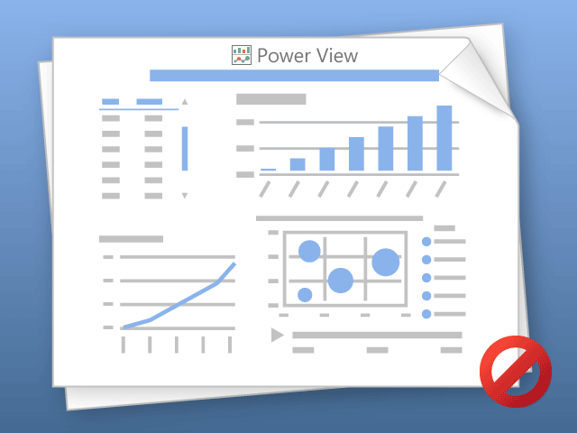

Power View can only print one sheet at a time.
Please switch to the desired sheet and try again.

Sheet1
 | Total
Beverages | 11
Breakfast | 6
Sandwich | 23
Snacks | 9
Tray | 11

